TIme Study Data
TIME STUDIES
Task # | Task Template Name | Module Attributes | Value | Clock Time | Laborers
1 | Layout Floor System | 1 | 62.5 | 1.5 | 4 | 6
2 | Floor System Completion | 1 | 62.5 | 4 | 4 | 16
3 | Underfloor Plumbing | 10 | 8 | 5 | 2 | 10
4 | Underfloor Electrical | 9 | 27 | 6 | 1 | 6
5 | Underfloor HVAC | 19 | 4 | 5 | 1 | 5
6 | Wall Building | 18 | 61 | 5.5 | 4 | 22
7 | Fire Tape Fire Walls | 13+16 | 61 | 1 | 6 | 6
8 | Install Walls on Floor | 18 | 221 | 8.5 | 3 | 25.5
8 | Complete Rough Plumbing | 10 | 5 | 10.8 | 2 | 21.6
9 | Electrical Wall J-boxes | 9 | 44 | 15 | 2 | 30
10 | Ceiling Construction | 3 | 45.5 | 3.5 | 4 | 14
11 | Roof Construction | 23 | 45.6 | 8 | 4 | 32
12 | HVAC Rough In | 21 | 37 | 6 | 1 | 6
13 | Complete Electrical Rough | 9 | 44 | 8 | 2 | 16
14 | Mud Ceiling / Roof in Rack | 3 | 720 | 2 | 2 | 4
15 | Rough Plumbing Completion | 10 | 7 | 8 | 2 | 16
16 | Rough Mechanical Completion | 21 | 105 | 8 | 3 | 24
17 | Rough Framing Complete | 20,21 | 30 | 2 | 3 | 6
18 | Foam all Penetrations | 9 | 44 | 2 | 1 | 2
19 | Insulation Install | 13+17 | 128 | 1.7 | 3 | 5.1
20 | Back Panel | 18 | 130 | 7 | 2 | 14
21 | Exterior OSB / Window Nailers | 3 | 700 | 10 | 2 | 20
22 | Roof OSB Decking | 23 | 730 | 6.5 | 4 | 26
23 | Exterior Fire Wall Drywall | 13 | 49 | 5 | 2 | 10
24 | Fire Tape Exterior Fire Wall | 13 | 49 | 2 | 2 | 4
25 | Interior Tape / Mud 1st Coat | 18 | 130 | 5.5 | 6 | 33
26 | Dry Time First Coat |  |  | 2 |  | 0
27 | Interior Tape / Mud 2nd Coat | 18 | 130 | 5 | 6 | 30
28 | Dry Time 2nd Coat |  |  | 2 |  | 0
29 | Exterior Foam Board Insulation | 12+13 | 35, 50 | 5.25 | 2 | 10.5
30 | Final Sand of Drywall / Texture Prep | 18 | 130 | 2 | 2 | 4
31 | Texture | 18 | 220 | 2 | 2 | 4
32 | Dry Time Texture |  |  | 3 |  | 0
33 | Paint - Wall Primer | 18 | 220 | 1.5 | 1 | 1.5
34 | Paint - Spray Semi-Gloss Paint |  | 220 | 1.5 | 1 | 1.5
35 | Install Windows / Patio Doors | 6 | 5 | 2 | 3 | 6
36 | Cabinet Install | 4 | 41 | 9.5 | 2 | 19
37 | Electrical Final Trim Out | 9 | 14 | 2 | 1 | 2
38 | Electrical Functionality Testing | 9 | 14 | 1 | 1 | 1
39 | Siding Install | 27 |  | 3.3 | 4 | 13.2
40 | Fascia / Soffit Install | 26 | 77 | 3.5 | 5 | 17.5
41 | Flooring Install | 7 |  | 8.5 | 1 | 8.5
42 | Door Installation | 5 | 4 | 3 | 1 | 3
43 | Window Jambs/Casings & Baseboard Installed | 6,5,18 | 4, 2, 0123 | 3 | 2 | 6
44 | Paint Prep For BaseBoard and Trim | 18 | 130 | 1.5 | 1 | 1.5
45 | Paint Prep Exterior | 27 | 693 | 8 | 3 | 24
46 | Exterior Paint | 27 | 693 | 2.5 | 1 | 2.5
47 | Interior Trim Paint | 5,6 | 2026-04-02 | 5.5 | 2 | 11
48 | Install Door Handle/Lock Hardware | 5 | 2 | 1.5 | 2 | 3
49 | Install Roofing | 25 | 700 | 6 | 6 | 36
50 | Install Final Plumbing Trims | 10 | 8 | 2 | 2 | 4
51 | Exterior Shrink Wrap | 1 | 65 | 5 | 2 | 10
52 | Install Carpet | 8 | 100 | 3 | 2 | 6
53 | Load and Install Appliances | 4 | 41 | 1.5 | 1 | 1.5
54 | Load Shiploose | 3 | 693 | 1.5 | 2 | 3
55 | Complete Remaining Underfloor Plumbing | 10 | 6 | 3 | 1 | 3
56 | Final Plumbing Fixture Testing | 10 | 6 | 3 | 1 | 3
57 | Remove Skates - Build Attachment Points | 1 | 65 | 4 | 2 | 8
58 | Final Clean | 1 | 49 | 2 | 3 | 6
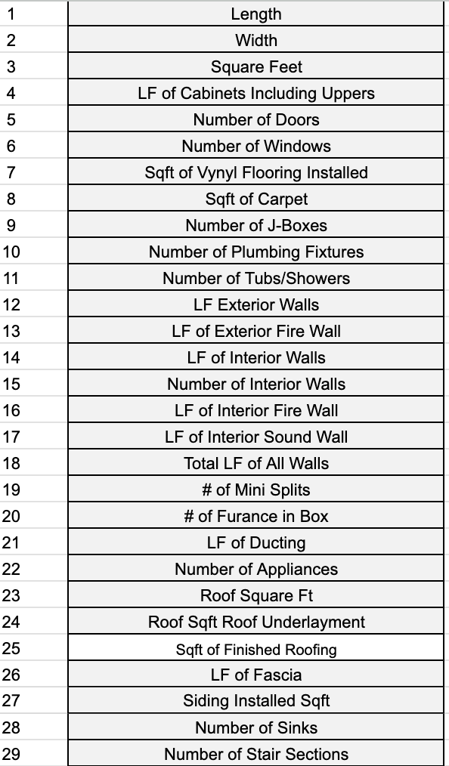
59 | Move Box Outside | 3 | 800 | 2 | 1 | 2
60 | Floor System Pre Cut Package | 1 | 72 | 2 | 2 | 4
61 | Wall Building Kits | 18 | 350 | 8 | 1 | 8
62 | Measure walls for Drywall cut | 18 | 350 | 1.5 | 1 | 1.5
63 | Ceiling/ Roof System Pre Cut Package | 3 | 900 | 2 | 4 | 8
64 | Ceiling Roof System Cut and Package Drywall | 3 | 900 | 2 | 2 | 4
65 | Back Panel Drywall Cut | 18 | 350 | 2 | 5 | 10
66 | Insulation Prep | 12+13 | 130 | 1 | 1 | 1
67 | Cut Window and Door Nailers | 5+6 | 186 | 1 | 1 | 1
68 | Window Jambs & Casings | 6 | 5 | 3 | 1 | 3
69 | Pre Made Door Casings | 5 | 12 | 1 | 1 | 1
70 | Prep - Paint Interior / Exterior Doors | 5 | 6 | 4 | 2 | 8
71 | Prep Bathroom Sinks | 28 | 5 | 1 | 1 | 1
72 | Ceiling Pre-Warp Spacers Cut | 1 | 30 | 1 | 1 | 1
73 | Cut Shipping OSB for Windows / Doors | 6 | 1 | 0.3 | 1 | 0.3

